Create Account (NEG) Evidence
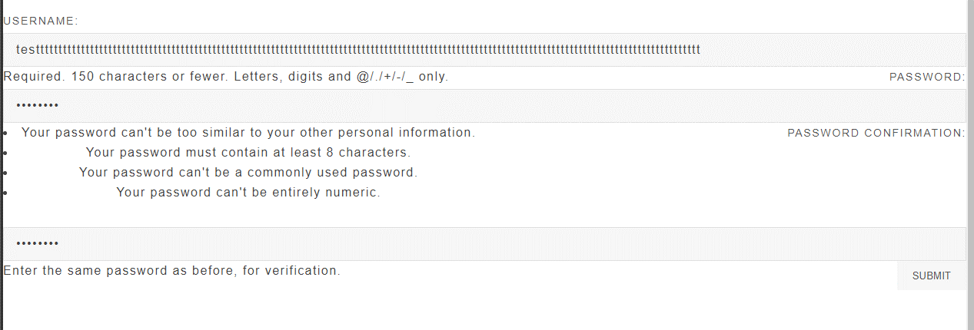
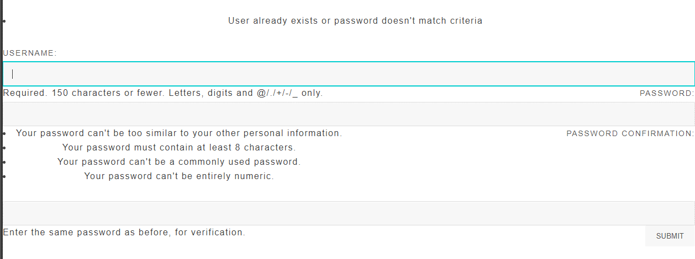
Step 1, 2,3,4:

Create Account-Log In.Evidence
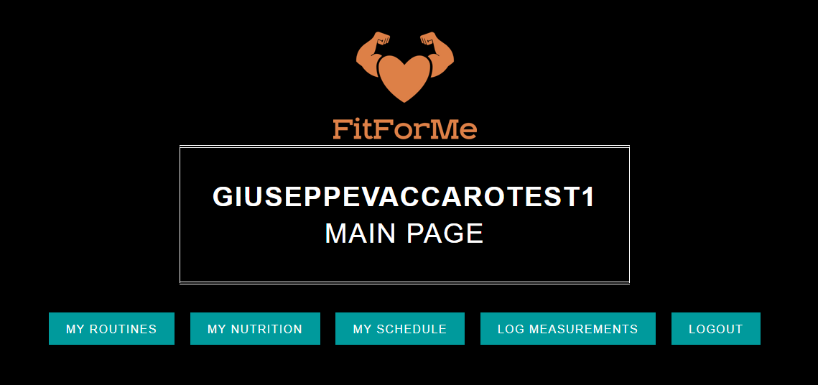
Step 2,3,4:
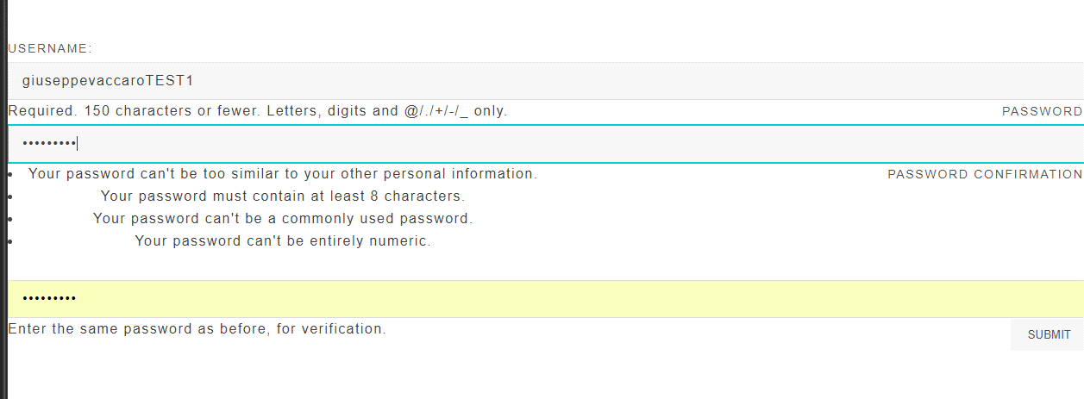

Step 5:

Log Meas. & Routine Evidence
 | Step 1
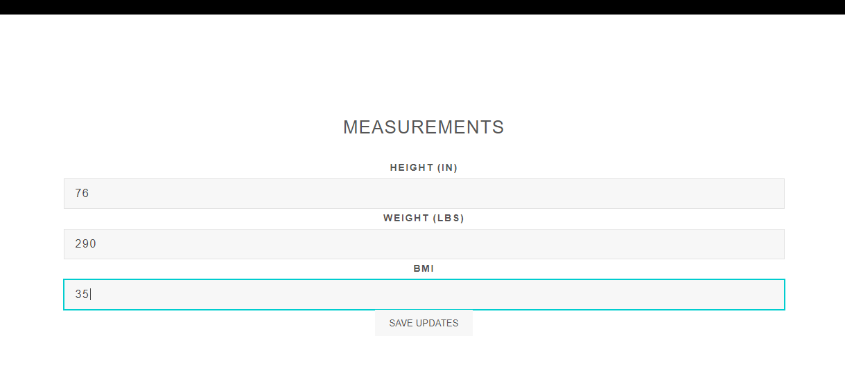

 |  |  | 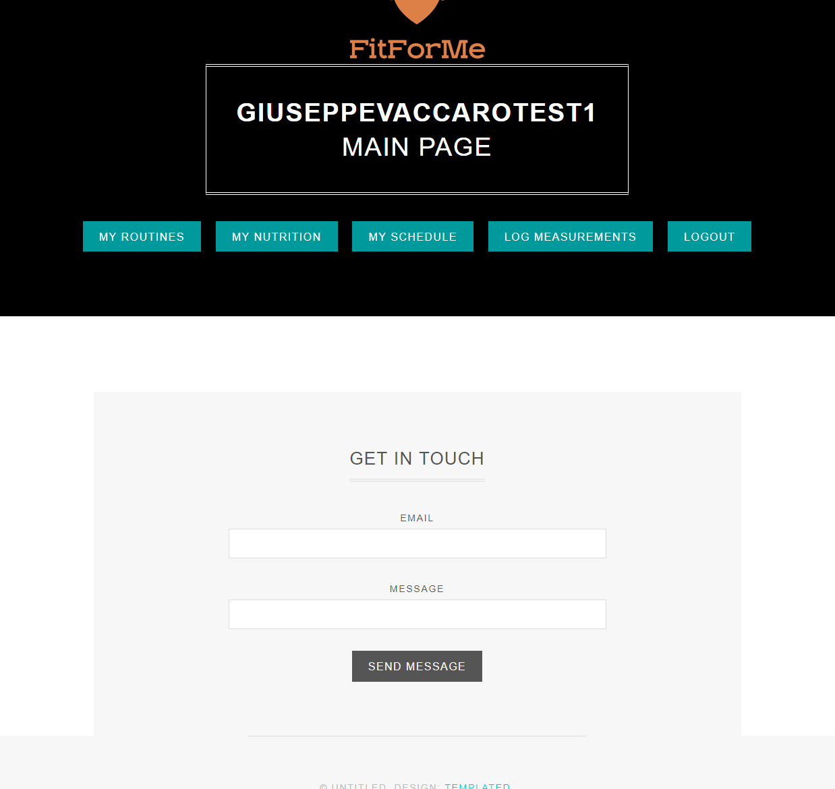

 | Step 2



 |  | 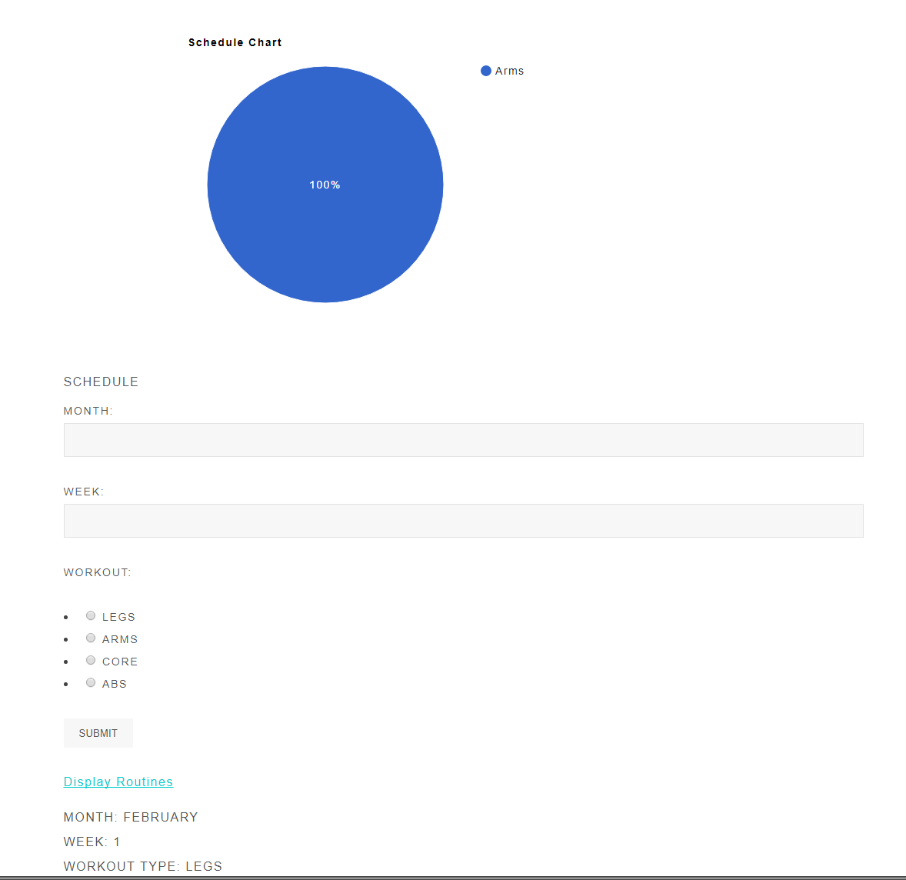

Step 3

